Sheet1
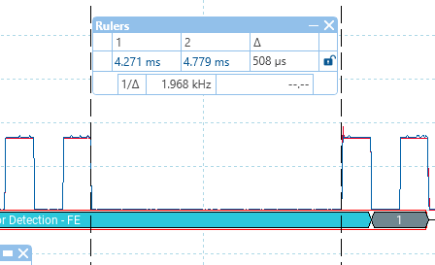
 |  |  |  | The cutout is occuring at the end of the idle packet
 |  |  |  | however it starts when the 8th 1-bit goes low, and then the
 |  |  |  | two lines go to ground which creates a current loop.

 |  |  |  | So either we are missing the bit-half, or the 55uS is getting rolled into the 508

Modules and how to implement the cutout.
L298 external mini module
 | Has EN and IN1 and IN2. EN takes the drivers open circuit. Railcom must be executed through taking IN1 and IN2 to same logic level.

LMD18200 internal
 | Brake is tied low. PWM is used as enable. When it is low, both outputs are tied to 12v

LMD18200 external
 | Brake is tied low. PWM is used as enable. When it is low, both outputs are tied to 12v

L298 motor shield
 | no dice. We need the brake pins for I2C and this unit has IN1 and IN2 hardwired to be logically inverse of one another.
 | EN will make it go open circuit.

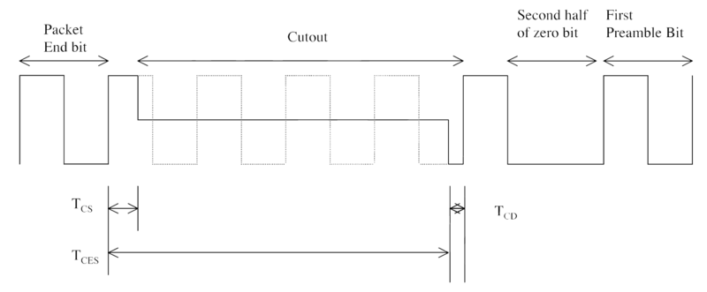
Timings I see on the scope |  | programmed
1 data | 119uS | 116
0 data | 236uS | 232
cutout | 452uS | 450

Actually there is supposed to be a TCS set up and TCD teardown time for a cutout
so you finish a packet bit and 'sort of' move into the next bit high part, before reactivating
in the next bit low part.

Tcs min 26uS, max 32uS |  |  | 50 |  | I am seeing | 24uS
cutout from start of Tcs is min 454uS, max 488 |  |  |  |  |  | 451
Tcd is not defined anywhere but appears to be about 10uS |  |  |  |  |  | 16

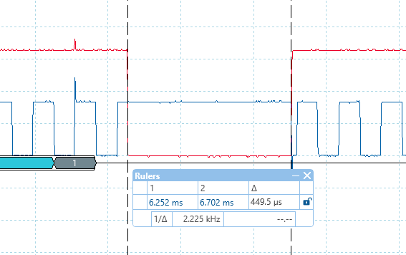

 |  |  |  |  | finished code.
 |  |  |  |  | 449 uS

 |  |  |  |  | a high lead-in and a low lead-out

L298 problem
 | With the L298 we have a problem. Values on one polarity read ok (well mostly) and on the other polarity they read differently.
 | e.g. CV8 should read 151 but reads as 134 consistently on the opposite polarity.

 | And yet the scope traces seem to be the same.

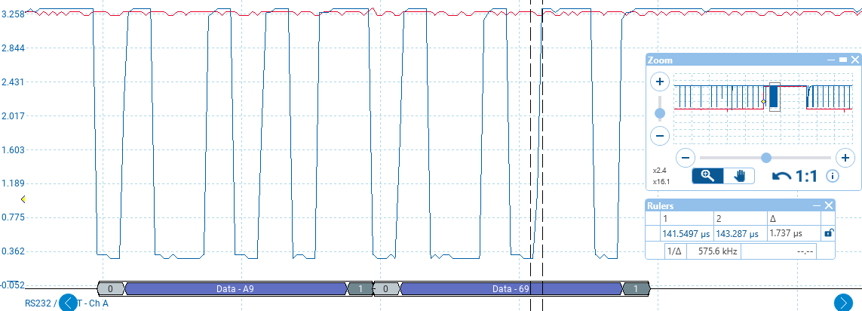
 |  |  |  |  |  |  |  |  |  |  |  |  | This is the 'good' orientation
 |  |  |  |  |  |  |  |  |  |  |  |  | 500kSS and 200uS/div

 |  |  |  |  |  |  |  |  |  |  |  |  | rise time is about 1.7uS and this is a function of the 400R pullup.

 |  |  |  |  |  |  |  |  |  |  |  |  | A969 is correct, it decodes to 151d

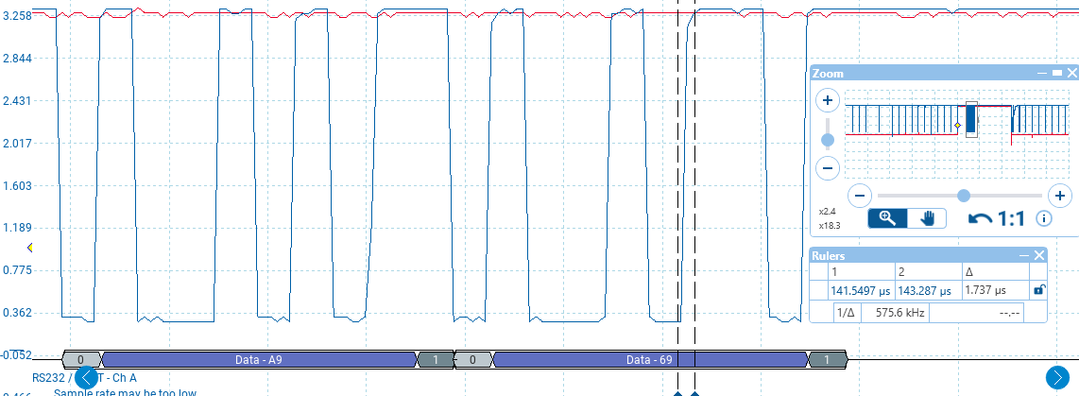

 |  |  |  |  |  |  |  |  |  |  |  |  | This is the 'bad' orientation.
 |  |  |  |  |  |  |  |  |  |  |  |  | it reads as 130

 |  |  |  |  |  |  |  |  |  |  |  |  | Yet the picoscope is reading it as A969 which is what we expect.

 |  |  |  |  |  |  |  |  |  |  |  |  | The timing looks identical to me, rise times are the same.

 |  |  |  |  |  |  |  |  |  |  |  |  | From the controller perspective, nothing has changed, however the loco
 |  |  |  |  |  |  |  |  |  |  |  |  | would be the opposite polarity and therefore pulses might be negative going
 |  |  |  |  |  |  |  |  |  |  |  |  | vs say positive in the other orientation.

 |  |  |  |  |  |  |  |  |  |  |  |  | also means we are using a different half of the comparator.

 |  | To explore
 |  | 1/ swap the LM319, perhaps its faulty part
 |  | 2/ reduce the LED drive resistor to allow it to peak at a higher current
 |  | 3/ build a PIC16F88 rs232 decode and re-code unit, i.e. see if that rs232 detector has a similar issue to the ESP.
 |  | 4/ maybe the ESU decoder itself behaves differently in the two polarities
 |  | 5/ maybe my ESP board has a random problem (try a different board)

 |  | Same problem reading cv1.
 |  | I see ACA3 on the scope. This decodes to 4d which is correct.
 |  | The ESP decodes it as zero, which is wrong.

 | cv1 | ACA9 | 1010 1100 1010 0011 | decodes to 4d |  |  |  | cv8 | A969 | 1010 1001 0110 1001 | d151
 |  | ACAC | 1010 1100 1010 1100 | decodes to 0 |  |  |  |  | A9A9 | 1010 1001 1010 1001 | d130

 |  | so is there a pattern? That the software is reading the same first hex digit twice? And why would it do so?

 | cv5 | AAAC | 1010 1010 1010 1100 | decodes to 64d |  |  |  | cv53 | A98E | 1010 1001 1000 1110 | d140
 |  | AAAA | 1010 1010 1010 1010 | decodes to 65d | which is what we see. |  |  |  | A9A9 | 1010 1001 1010 1001 | d130

 |  | But this is bonkers. In one polarity the ESP serial port reads two bytes, in the other it sees the same byte twice. But the controller is not at all aware of the track polarity.

 | I THINK IT HAS PROBLEMS ALSO ON THE CORRECT POLARITY
 | yup e.g. cv5 It is reading zero, which means it is reading ACAC rather than AAAC
 | so implies a byte-order problem….or its entirely missing a byte. |  |  |  |  | e.g. instead of reading AAAC AAAC its reading AC miss AC

 | But is this just bad data in the buffer or a systemic problem with the serial port?
 | I thought the port was implemented in hardware.

 | BUT we are running an arduino stack. As the cutoutActive flag showed, at the point we start processing the serial, we are no longer in the cutout. We might be serving any other of the routines
 | including the webserver or websockets and these might add significant delay, meaning several cutouts may have been buffered into the serial port.

 | https://www.esp8266.com/viewtopic.php?f=13&t=15610#google_vignette |  |  |  |  |  | direct control registers for serial
 | https://esp8266.ru/esp8266-uart-reg/ |  |  |  |  |  | but don't go there….

 | Yes we read/discard serial all the time and this could have come from any number of locos.
 | at the point we want to initiate a read, the serial will lag this, but the sequence should be good in the sense the byte order is preserved.

 | I don't understand why the same software behaves differently purely because the loco is facing the opposite way on the track.
 | So this tends to point to a hardware issue, i.e. comparator, because we'd be using the other half of the comparator pair.
 | But the scope would indicate the behaviour is the same, even the noise spikes at start of cutout are same, and the data asserts at the same 80uS point.

 | If I built a PI16F88 rig, and this correclty decodes on both polarities (as the scope does) then it will confirm it’s the ESP that's either failing to read the serial or is incorrectly processing it.

 | One more open-loop test. Lets have the serial port continuously decode and send its payload over a websocket.

 | And my software does reset to seek-ID0 if any received byte is not a 4/8 code.

 | TEST USING continuous decode
 | When working we see;

 |  |  |  |  |  | Note: CV2 is set to 2 meaning ch1 is disabled as is auto-discovery

 | When not working we see; |  |  |  |  | when working we see; |  |  |  |  |  | why would the loco put out the wrong sequence, or put out a different sequence
 |  |  |  |  |  |  |  |  |  |  |  | on one track orientation vs another?
 | {"type":"dccUI","cmd":"pom","action":"ok","success":true} |  |  |  |  | {"type":"dccUI","cmd":"pom","action":"ok","success":true} |  |  |  |  |  | And the scope fails to pick up any of these repeat-byte transmissions.
cv1 | {"type":"railcom","b1":"ac","b2":"ac","payload":0,"flag":false} |  |  |  |  | {"type":"railcom","b1":"ac","b2":"a3","payload":4,"flag":false} |  |  |  |  |  | it correctly displays waveforms in time, sync'd to the RC pulse.
 | {"type":"railcom","b1":"ac","b2":"ac","payload":0,"flag":false} |  |  |  |  | {"type":"railcom","b1":"ac","b2":"a3","payload":4,"flag":false} |  |  |  |  |  | And the data is always correct in these views irrespective of the loco orientation.
 | {"type":"railcom","b1":"ac","b2":"a3","payload":4,"flag":false}
 |  |  |  |  |  |  |  |  |  |  |  | So its pointing toward there being a serial decode problem in the ESP itself.

cv8 | {"type":"dccUI","cmd":"pom","action":"ok","success":true} |  |  |  |  | {"type":"dccUI","cmd":"pom","action":"ok","success":true}
 | {"type":"railcom","b1":"a9","b2":"a9","payload":130,"flag":false} |  |  |  |  | {"type":"railcom","b1":"a9","b2":"69","payload":151,"flag":false}
 | {"type":"railcom","b1":"a9","b2":"a9","payload":130,"flag":false} |  |  |  |  | {"type":"railcom","b1":"a9","b2":"69","payload":151,"flag":false}
 | {"type":"railcom","b1":"a9","b2":"69","payload":151,"flag":false}

 | {"type":"dccUI","cmd":"pom","action":"ok","success":true} |  |  |  |  | but there is a problem with cv28
 | {"type":"railcom","b1":"a9","b2":"a9","payload":130,"flag":false} |  |  |  |  | {"type":"railcom","b1":"a9","b2":"a9","payload":130,"flag":false} |  |  |  |  | it consistently reads 130,128,2
 | {"type":"railcom","b1":"a9","b2":"a9","payload":130,"flag":false} |  |  |  |  | {"type":"railcom","b1":"a9","b2":"ac","payload":128,"flag":false} |  |  |  |  | which makes zero sense to me.
 | but here we are missing the 3rd payload of 151 |  |  |  |  | {"type":"railcom","b1":"ac","b2":"a9","payload":2,"flag":false}
 |  |  |  |  |  | 2 is the correct value.

 |  |  |  |  |  | So does this mean the decoder is putting out nonsense?
 |  |  |  |  |  | Also with the L298 the p-p rail voltage is only 10v due to the 1.5v drops in the BJTs

cv5 | {"type":"railcom","b1":"aa","b2":"aa","payload":65,"flag":false} |  |  |  |  | {"type":"railcom","b1":"ac","b2":"ac","payload":0,"flag":false} |  |  |  |  | CV5 is another problem cv when in the 'good' orientation
 | {"type":"railcom","b1":"aa","b2":"aa","payload":65,"flag":false} |  |  |  |  | {"type":"railcom","b1":"ac","b2":"aa","payload":1,"flag":false} |  |  |  |  | it should read 64, but we see here confusion over AA and AC
 | {"type":"railcom","b1":"aa","b2":"ac","payload":64,"flag":false} |  |  |  |  | {"type":"railcom","b1":"aa","b2":"ac","payload":64,"flag":false} |  |  |  |  | sequence is ACACACAAAAAC. But this is not a case of AAACAAACAAAC being synced on the wrong byte, because there's no
 | the correct value is 64. |  |  |  |  | {"type":"dccUI","cmd":"pom","action":"ok","success":true} |  |  |  |  | string of 4 A's in the legit bytestream. Why is the serial port seeing this?
 |  |  |  |  |  | {"type":"railcom","b1":"ac","b2":"ac","payload":0,"flag":false}
 |  |  |  |  |  | {"type":"railcom","b1":"ac","b2":"aa","payload":1,"flag":false}

 | What if we test with the IBT2 external board?

revisit 29th
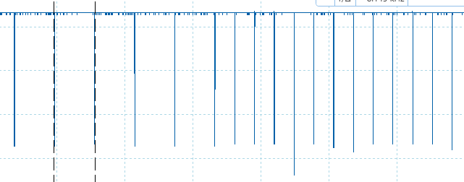

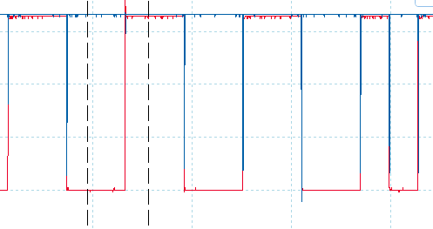
 |  |  |  |  |  | They are driven by edges in the DCC signal
 |  |  |  |  |  | This is a trace with no load on track

With 120R track load, there are fewer spikes, but they are still present. The load does not improve the performance of the decoder.
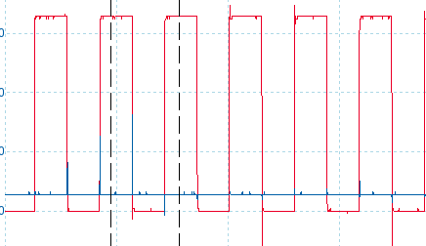
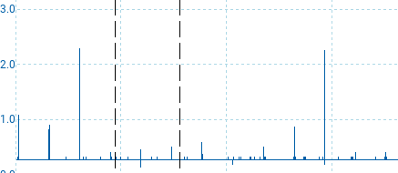

 |  |  |  | but with a load, we do see the output mostly sit low, which is what you expect as both polarities across
 |  |  |  | the sense resistor are declaring that current is flowing, except for a very short spike period.

with a load on the track the decoder fails to read. That's really odd.

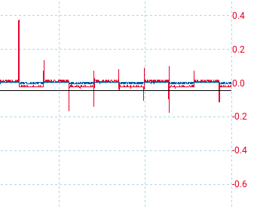
 |  |  | The comparator drive is around +/- 0.8v and its clamped by the detector diodes

 |  |  | I also fed it through a 3k resistor into the comparator, but that did not help.
 |  |  | I thought perhaps the comparator inputs were overdriven, but no.

 |  |  |  |  | Pin 7 on the 6n137 is a strobe, pull low to force the output high (disable).
 |  |  |  |  | I can tie this to the RC cutout flag bit and see if this kills off the spurious rs232 crap
 |  |  |  |  | as the serial will only be enabled during an RC cutout.

Rev 3 red PCB, no load |  |  |  | and with load
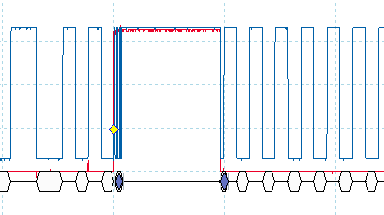
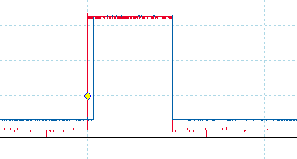

There is very little noise, and certainly no spikes as you see on the blue board. Yet both are using an LMD and LM319
and the red board only has one decouple cap between 5v and gnd, nothing on the negative supply.
bias resistors are similar values.

With the red board, the detector output will swing between system ground and +3v clamped. Its also clamped at 0.6v negative.
and with no load, when its 3v then comparator 2 will go low. When its 0v then neither comparator fires and so the output will go high.

when a load is present, and out2 is zero V, there will be a +ve drop across R1 |  |  |  | 0.18 | V | and so c2 will stay low
during both half cycles. This is why the output stays low until the RC cutout. At that point, there is no current in the loop and both comparators will
go high.

Compare this to the blue PCB. It stays high all the time with no load. This implies that neither comparator is conducting. I suppose that makes sense,
because there's a small load of 20mA from the decoder, but this only develops |  |  |  | 36 | mV | But that said, this should be sufficient to trigger both
comparators. When the load increases, they do both conduct and the output stays low. But there is still a lot of noise on that line and I cannot figure out why.
Its actually present on the comparator output, i.e. before the opto isolator.

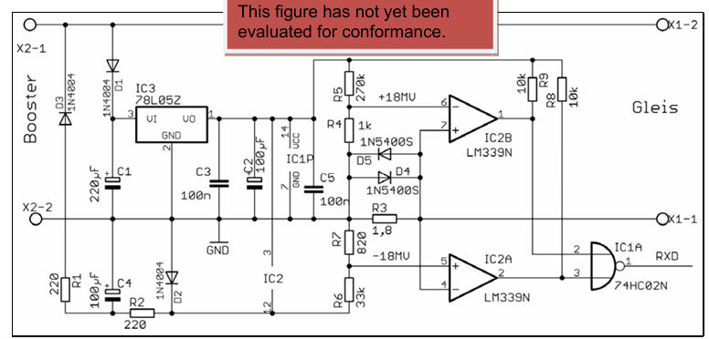

 |  |  |  |  |  |  | on this, if X1-1 is more pos than X2-2 then
 |  |  |  |  |  |  | if pin7 goves above pin 6 then the comparator goes high
 |  |  |  |  |  |  | meanwhile pin 4 is much higher than pin 5 and that comp is low
 |  |  |  |  |  |  | NAND only goes low if both inputs are high.

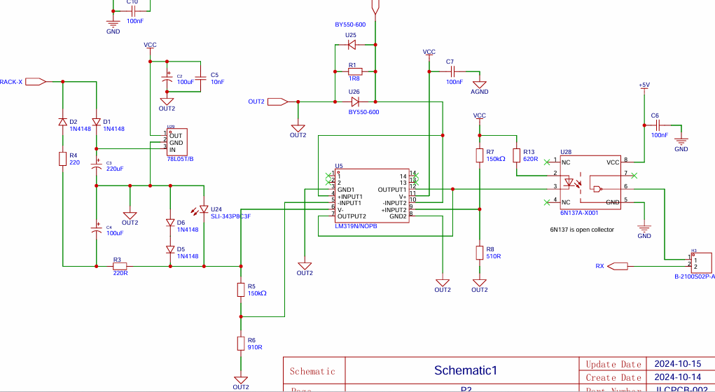
 |  |  |  |  |  |  |  | Out2 is effectively the X-2 line
 |  |  |  |  |  |  |  | The +ve supply side is identical to the reference circiut
 |  |  |  |  |  |  |  | D1, C1 and the regulator. Ok I have 103 doe C5 which is 10n rather than 100n
 |  |  |  |  |  |  |  | [I would be amazed if that fixes it]
 |  |  |  |  |  |  |  | c2 is the same 100uF and then 100n decoupler on the IC supply

 |  |  |  |  |  |  |  | my neg supply line is same. D2,R4,C4 form a half wave rectifier.
 |  |  |  |  |  |  |  | Then I use an LED to generate a neg 1.6v supply at relatively low impedence.
 |  |  |  |  |  |  |  | This feeds pin6, and is well below the expected negative peaks across R1.

 |  |  |  |  |  |  |  | If out2 (i.e. X2) = X1 then the RC cutout is active. The loop current will either appear
 |  |  |  |  |  |  |  | as +ve or -ve across R1.

 |  |  |  |  |  |  |  | If its +ve (i.e. right side more pos than left) then comparator 2 will go low if the p.d. exceeds
 |  |  |  |  |  |  |  | the +18mV ref on R8.

 |  |  |  |  |  |  |  | If its -ve (i.e. left side more pos) then C1 will go low If in1+ is more negative than the -18mV
 |  |  |  |  |  |  |  | ref on R6

 |  |  |  |  |  |  |  | But this does not explain why we are seeing spikes. It implies there is zero loop current flowing for
 |  |  |  |  |  |  |  | a few nS during edges. This is a true situation, and perhaps the comparator is "too fast"
 |  |  |  |  |  |  |  | Yet we don't see this spike problem with the red circuit.

 |  |  |  |  |  |  |  | One option is to add +ve feedback from the output. But it has to feed into both input2+
 |  |  |  |  |  |  |  | and input1+ (but in1+ is wired to in2-)

 |  |  |  |  |  |  |  | Use a 393? If I do so, I would be hooking into the -ve supply rail and not using the gnd ref.

 |  |  |  |  |  |  |  | BUT if we have a 120R load, why does this kill all comms? It will consume some of the loop current, but
The blue light keeps going out on the module. Is this the SDA line? |  |  |  |  |  |  |  | not much compared to the 1.8R that the drive circuit sees.
 |  |  |  |  |  |  |  | i.e. it’s a 120 in parallel with 1.8 and the majority of the current will still be thro the 1.8

:30/11/2024 |  | FINALLY
After a full day of tests. The blue board needs two fixes
1/ C7 is open circuit. Its open end should be connected to the LM319 pin 3.
2/ Add a 10nF cap across the regulator input. This cuts down on noise in the circuit.

And the findings were.
 | External LMD18200, but not using the brake pin. Just does not work. Wasted hours on this.
 | External L298 works, but is most reliable if there is a load on the track. A lack of load means the Opto output stays high mostly and has a lot of noise spikes.
 | External IBT2 works well with a load and with no load. It always reads accurately.

 | Last test would be to use the LMD with an active brake pin. The load was 120R

Note that the red board works reliably with the resistor values set, with load/ not.

